Coordinates
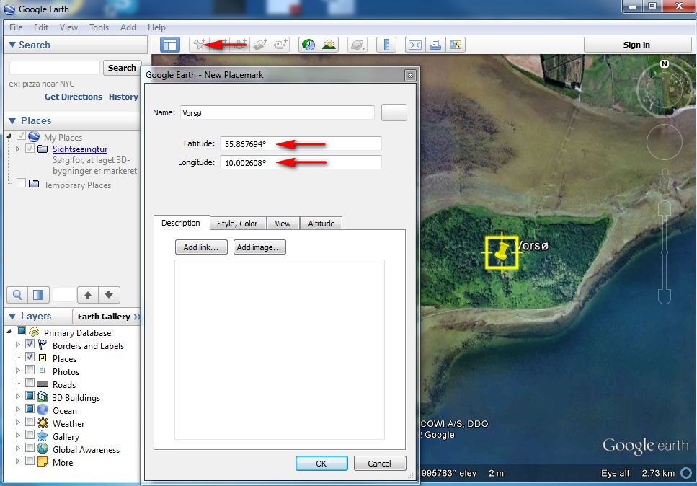
Finding Coordinates by use of Google Earth
Installing Google Earth
Google Earth can be downloaded for free via this link.
Use Google Earth
Select 'Options' under 'Tools'.
Select 'Decimal Degrees' under 'Show Lat/Long':

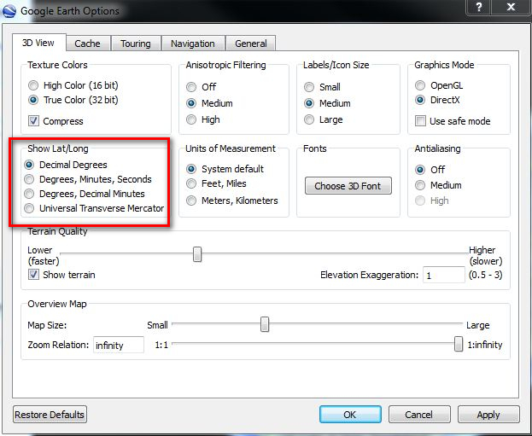

Place Marker to get precise coordinates (zoom in for a higher degree of precision).
Copy coordinates (Latitude and Longitude) from Google Earth to this Excel spreadsheet.

Example


 | Great Cormorants in the Western Palearctic

 | Breeding colony census 2012
 | Organised by
 | IUCN/Wetlands International Cormorant Research Group (CRG)
 | & The European Commission project CorMan

 | * NAME - Person that filled this form | Anders Hedenström
 | * E-MAIL ADDRESS - for correspondence | a.heden@hotmail.com
 | * NAME OF OBSERVER(s) | Lars Hansson
 | E-MAIL ADDRESS OF MAIN OBSERVER | l.hansson@hotmail.com
 | * COUNTRY | Sweden | Write or Click in cell, then choose from drop down list (arrow)

 | Issue (* = obligatory) | DATA

Colony | * COLONY NAME | Markviksgrunden, Ulvön
 | AREA / REGION | Gulf of Botnia
 | COLONY NUMBER (if known) | GB24
 | * LATITUDE, decimal degrees | 62.972533° | See the sheet 'Coordinates'
 | * LONGITUDE, decimal degrees | 18.614752°
 | Latitude - In another coordinate system | 62°58'21.44"N | Fill only if you cannot use decimal degrees
 | Longitude - In another coordinate system | 18°36'58.89"E
 | What other coordinate system is used | Degrees, Minutes, Seconds
 | MAIN HABITAT TYPE COLONY | Ground | Click in cell, then choose from drop down list (arrow)
 | COLONY EXPOSED TO MANAGEMENT | Yes | Click in cell, then choose from drop down list (arrow)
Count | DATE OF COUNT (dd-mm-yr) | 2012-05-10 | If more than one date, choose the date that gave the best count
 | COUNTING METHOD | Nest count from inside colony | Click in cell, then choose from drop down list (arrow)
 | * NUMBER OF NESTS (best estimate) | 400 | See README
 | MINIMUM NUMBER OF NESTS | 360
 | MAXIMUM NUMBER OF NESTS | 440
 | % BREEDING ON GROUND | 100%
Remarks | REMARKS - The count | The count was not very precise, because one of the persons oiling eggs did not count the nests. He just gave an estimate. Lowever numbers of nests were counted on other dates.
 | REMARKS - Nest distribution | The oiled part of the colony was located 200 m from the sub-colony not exposed to egg oiling
 | REMARKS - Management | The local authorities oil eggs in 50% of the nests most years. Eggs in approximately 200 of the nests were exposed to egg oiling in 2012. The part of the colony not exposed to egg-oiling had 186 nests. Egg oiling took place also before and after this date.
 | REMARKS - Disturbance | Only when eggs are oiled.
 | REMARKS - Predation | White-tailed Eagles appear regularly in the breeding season. They take young and disturb the parents, causing predation from gulls.
 | REMARKS - Clutch size / Brood size / . Breeding success | Clutch size on 10/5 was 3.54 (n=153 nests with eggs). Brood size at chick age 20-30 days was 2.9 (n= 43 broods with chicks) | See README
 | REMARKS - Other topics | The cormorant colony is located next to a colony of Herring Gulls

Example

